GUI
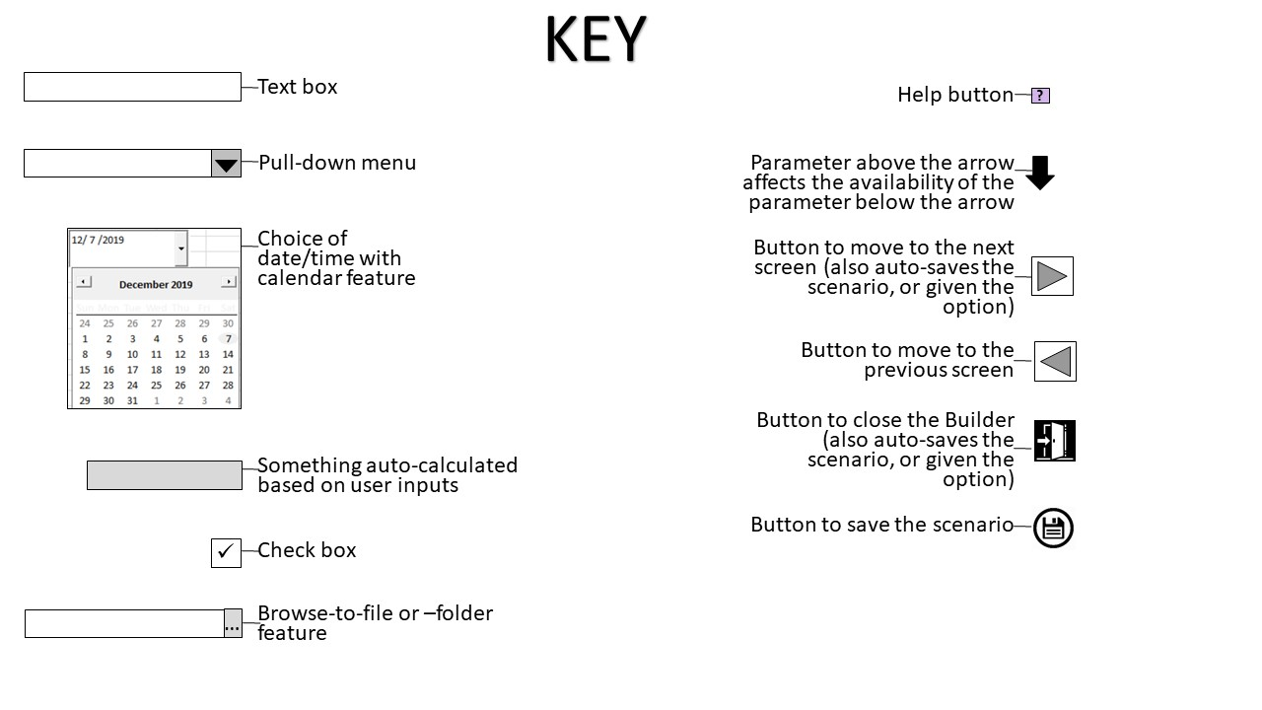

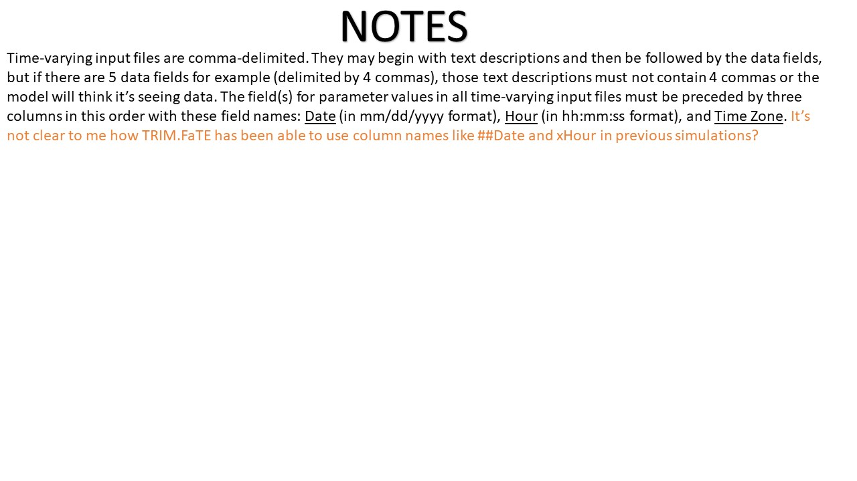

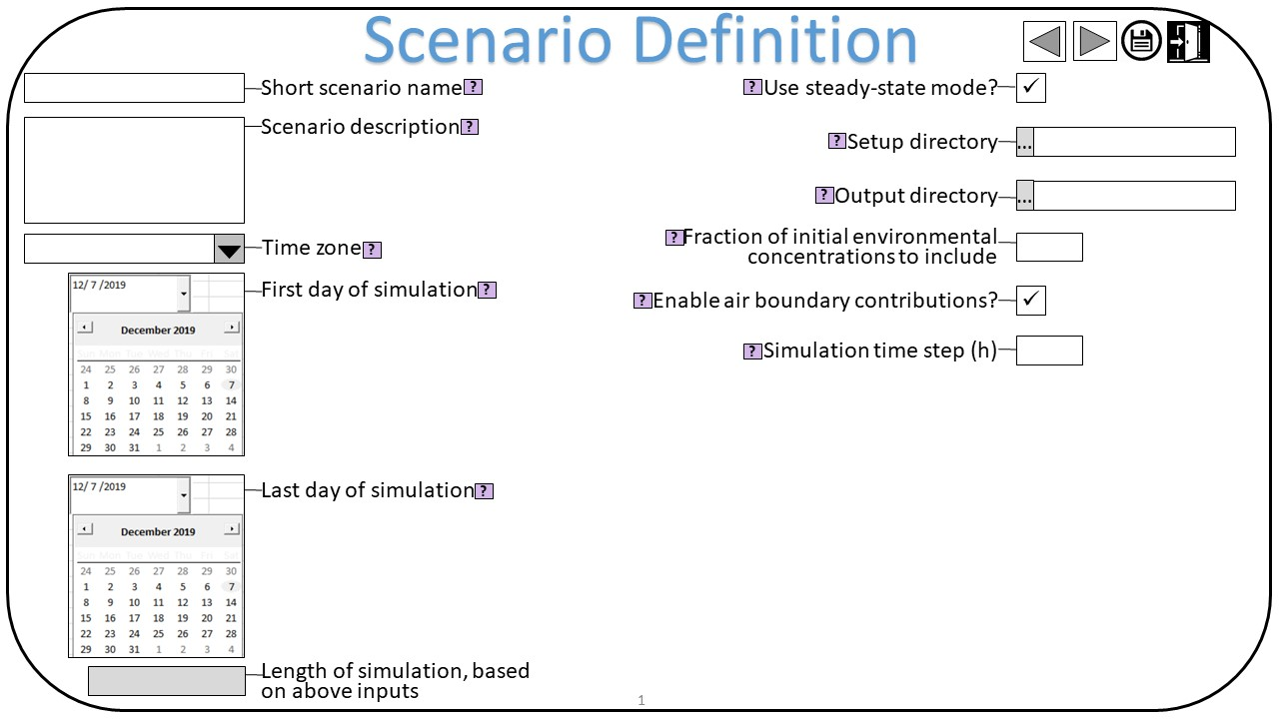
GUI Screen 1: | Scenario Definition

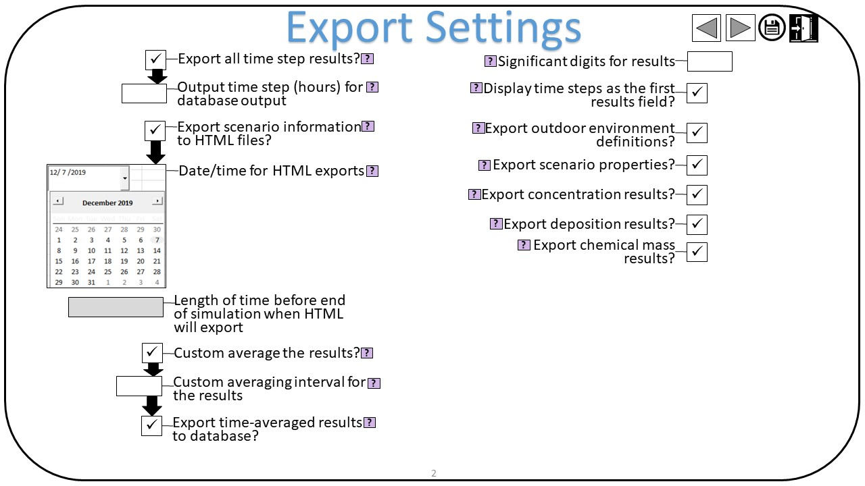
GUI Screen 2: | Export Settings

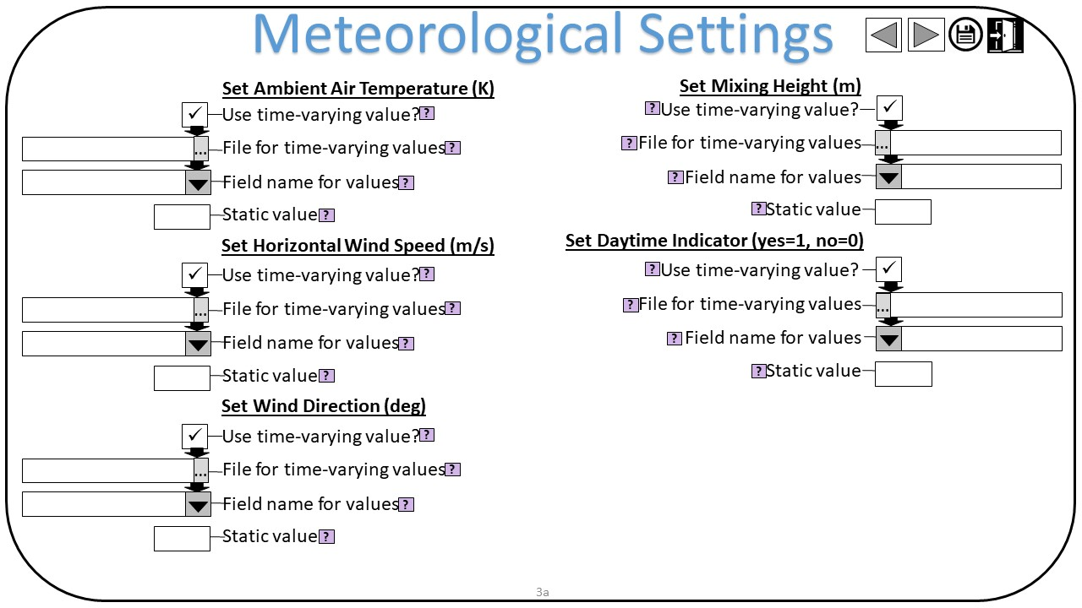
GUI Screen 3a: | Meteorological Settings (1 of 2)

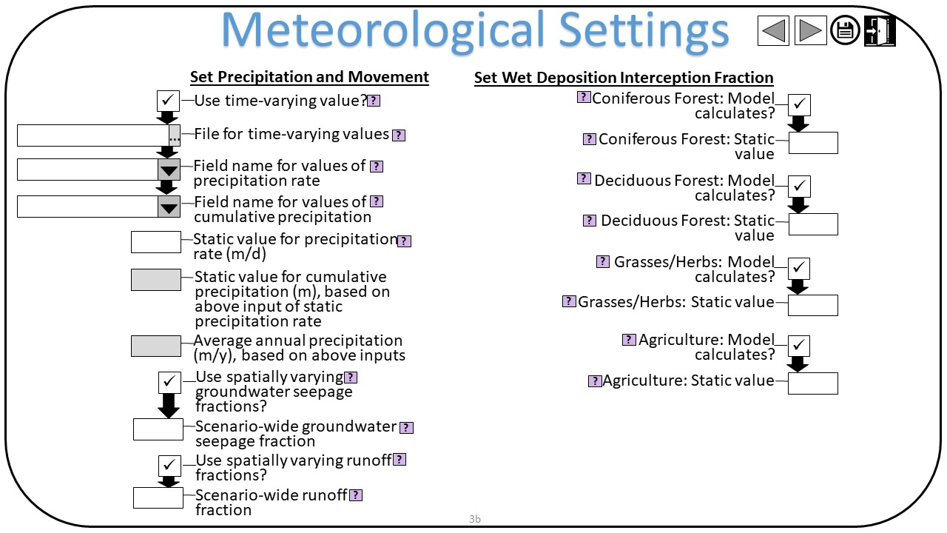
GUI Screen 3b: | Meteorological Settings (2 of 2)

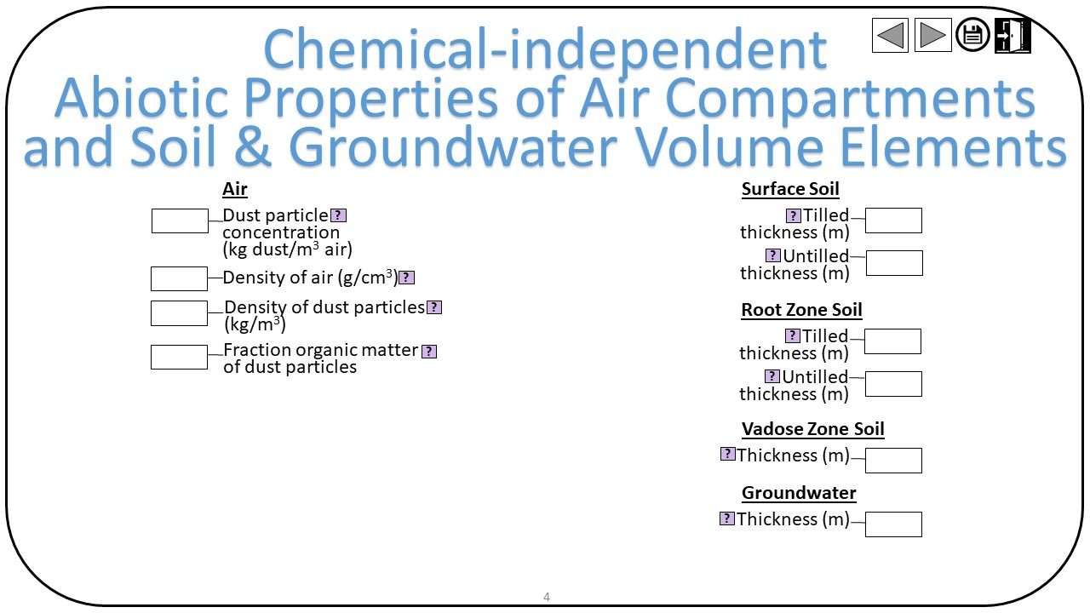
GUI Screen 4: | Chemical-independent Abiotic Properties of Air Compartments and Soil & Groundwater Volume Elements

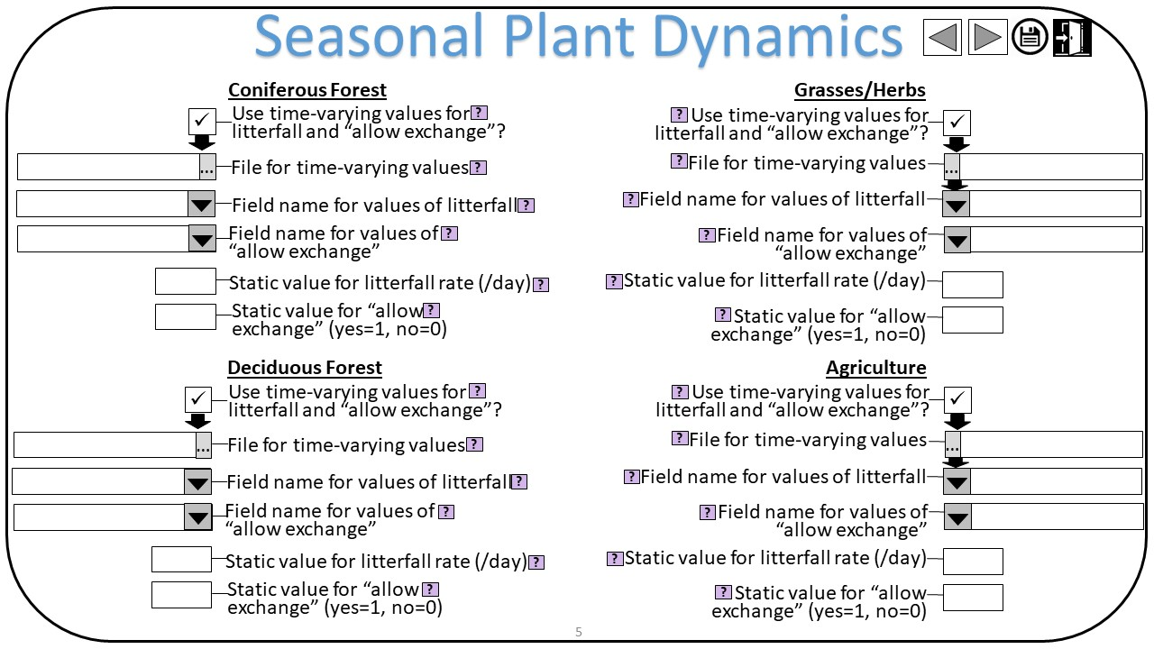
GUI Screen 5: | Seasonal Plant Dynamics

Parameters_TRIM_FaTE_Met
The met screens could come a little later if wanted, but must be before soil and water properties. Also, can ask the user if all met data are in one file, to avoid asking for the file 6 different times…
Parameter | Excel Named Range | Value | Unit | Reference | Primary? | Dependent Primary Input | Function Used to Convert to Primary Input | TRIM Input File Name (Primary Input) | TRIM Syntax | Note: | Chris Note 1 (purpose of parameter): | Chris Note 2 (change in parameter?): | Chris Note 3 (GUI Implementation): | Chris Note 4 (GUI Help Note):
Air temperature | [not a named range] | 298 | degrees K | Recommended default value listed in HHRAP (U.S. EPA 2005a). Value is similar to the mean maximum daily temperatures in May and September in much of the U.S. mid-Atlantic, mid-West, and Great Plains, according to 1981–2010 climatology (Arguez et al., 2012). Human Health Risk Assessment Protocol for Hazardous Waste Combustion Facilities (including the Hazardous Waste Companion Database of chemical-specific parameter values). U.S. Environmental Protection Agency, Office of Solid Waste and Emergency Response, Washington, DC. EPA-530-R-05-006. September. Available online at: https://archive.epa.gov/epawaste/hazard/tsd/td/web/html/risk.html. Arguez, A., S. Applequist, R. S. Vose, I. Durre, M. F. Squires, and X. Yin, 2012: NOAA's 1981-2010 Climate Normals: Methodology of Temperature-related Normals. NCDC Report, 7 pp. Available online at: http://www1.ncdc.noaa.gov/pub/data/normals/1981-2010/documentation/temperature-methodology.pdf. | NA | NA | NA | This will be reported in the tables, but not directly used in the model. TRIM.fate will pull actual numbers from the time-varying text file |  |  | This parameter not needed (defers to parameter="Column: air temperature"). Remove. | This parameter exists in 2 places in the builder - in one place (here) where the syntax allows a static (non-time-varying) value, and in another place where the syntax allows the value to be read from a time series. In the rebuilt Builder there should be no need for this distinction. Suggest having a check box to choose whether to use a static value -- if so, then a text field to enter that value, and if not, a folder-Browse button to indicate the time-series file and then a subsequent pulldown to select the field name in that file?
Horizontal wind speed | [not a named range] | 1.6 From File | m/sec | ~5th percentile of median hourly wind speeds, partitioned by eight wind directions, recorded at 824 meteorological stations across the United States from January 1–December 31, 2016. | NA | NA | NA | This will be reported in the tables, but not directly used in the model. TRIM.fate will pull actual numbers from the time-varying text file |  |  | This parameter not needed (defers to parameter="Column: horizontal wind speed"). Remove. | Same comment as parameter="Air temperature"
Vertical wind speed | [not a named range] | 0 | m/sec |  | NA | NA | NA | This will be reported in the tables, but not directly used in the model. TRIM.fate will pull actual numbers from the time-varying text file |  |  | Duplicate of same parameter here on row 10. Remove. | Same comment as parameter="Air temperature"
Wind direction | [not a named range] | 3-days-on, 4-days-off. | degrees clockwise from N (blowing from) | Wind blowing toward a location of interest (e.g., toward a lake or farm) will move more emitted chemical mass over the location of interest than wind blowing in other directions. For much of the U.S. mid-Atlantic and western regions, the wind generally blows eastward.a Among the NOAA 1981–2010 normalized wind-vector data, the average wind direction had a strong eastward component at over one-third of the stations.b For the hypothetical RTR scenario, a more extreme example of this pattern is represented by conditions in Yakima, Washington, where the wind blows eastward approximately 40 percent of the time (review of wind direction data compiled by the National Weather Service; NCDC 1995). This pattern is approximated in the RTR scenario with a configuration in which the modeled domain is downwind of the source 3 out of every 7 days. aNational Oceanic and Atmospheric Administration U.S. Climate Atlas for 1981-2010; https://www.ncdc.noaa.gov/climateatlas/. bNational Oceanic and Atmospheric Administration 1981–2010 Climate Normals; https://www.ncdc.noaa.gov/data-access/land-based-station-data/land-based-datasets/climate-normals/1981-2010-normals-data. NCDC (National Climatic Data Center). 1995. Hourly United States Weather Observations (HUSWO) 1990-1995. | NA | NA | NA | This will be reported in the tables, but not directly used in the model. TRIM.fate will pull actual numbers from the time-varying text file |  |  | This parameter not needed (defers to parameter="Column: wind direction"). Remove. | Same comment as parameter="Air temperature"
Precipitation Rate | [not a named range] | varies daily | m3[rain]/m2[surface area]-day | 1.5 m/yr approximates the 95th percentile of annual average precipitation for 824 meteorological stations across the United States. Where available (813 meteorological stations), annual precipitation is the 30-year normal value (Durre et al. 2012); where normal values were unavailable, annual average precipitation was calculated from precipitation measured at the station from January 1–December 31, 2016. The precipitation frequency was 3-days-on:4-days-off based on data from Holzworth, 1972. Durre, I., M. F. Squires, R. S. Vose, X. Yin, A. Arguez, and S. Applequist, 2012: NOAA's 1981-2010 U.S. Climate Normals: Monthly Precipitation, Snowfall, and Snow Depth. Journal of Applied Meteorology and Climatology, 52, 2377–2395, doi:10.1175/JAMC-D-13-051.1. Available online at: http://dx.doi.org/10.1175/JAMC-D-13-051.1. Holzworth, G.C. 1972. Mixing Heights, Wind Speeds, and Potential for Urban Air Pollution Throughout the Contiguous United States, AP-101, January 1972, U.S. Environmental Protection Agency, Office of Air Programs, Research Triangle Park, North Carolina. Available online at: https://nepis.epa.gov/Exe/ZyPURL.cgi?Dockey=20013CDS.TXT. | NA | NA | NA | This will be reported in the tables, but not directly used in the model. TRIM.fate will pull actual numbers from the time-varying text file |  |  | This parameter not needed (defers to parameter="Column: precipitation rate"). Remove. | Same comment as parameter="Air temperature"
Mixing height (used to set air VE property named “top”) | [not a named range] | 226 | m | ~5th percentile of median hourly mixing heights recorded at 824 meteorological stations paired with upper-air stationsacross the United States from January 1–December 31, 2016. | NA | NA | NA | This will be reported in the tables, but not directly used in the model. TRIM.fate will pull actual numbers from the time-varying text file |  |  | This parameter not needed (defers to parameter="Column: mixing height"). Remove. | Same comment as parameter="Air temperature"
isDay_SteadyState_forAir | [not a named range] | 0 | boolean (yes=1; 0=no) | Value not used in current dynamic runs (would need to be reevaluated if steady-state runs are needed). | Yes | NA | "="" & DNum" | Properties.txt | Property: isDay_SteadyState_forAir Form: Constant Value: 0 |  | A steady-state run doesn't have time-varying parameters. So this parameter sets the isDay to a static value. Unsure the difference between this and parameter="isDay_SteadyState_forOther". |  | ? | ?
isDay_SteadyState_forOther | [not a named range] | 0 | boolean (yes=1; 0=no) | Value not used in current dynamic runs (would need to be reevaluated if steady-state runs are needed). | Yes | NA | "="" & DNum" | Properties.txt | Property: isDay_SteadyState_forOther Form: Constant Value: 0 |  | A steady-state run doesn't have time-varying parameters. So this parameter sets the isDay to a static value. Unsure the difference between this and parameter="isDay_SteadyState_forAir". |  | ? | ?
Vertical wind speed | vert_wind_speed | 0 | m/sec | Constant 0 m/sec. Professional judgment; vertical wind speed not used by any of the algorithms in the current version of the TRIM.FaTE library. | Yes | NA | "="" & DNum" | Properties.txt | Property: verticalWindSpeed Form: Constant Value: 0 // Description: [[ Constant 0 m/sec. Professional judgment; vertical wind speed not used by any of the algorithms in the current version of the TRIM.FaTE library. ]] |  | To determine vertical advective flux of a chemical from one air compartment to another (i.e., when using more than one air layer). Apparently is not supported by the current TRIM.FaTE library, but its value is probably still needed. | Need to decide if we leave this permanently defaulted to 0 (assuming it has to be set even if there is only 1 air layer) or if we should leave this open to change (leave open the possibility of people using more than 1 air layer)
Average annual precipitation | precipitation_rate | 0.784 | m/yr | Site-specific met, average of 2013-2017 | No | AverageVerticalVelocity, TotalRunoffRate_m3_m2_day | TotalRunoffRate_m3_m2_day = value * precip_fraction_runoff / 365. AverageVerticalVelocity = value * 0.2 / 365 (0.2 is an assumption). | This will be used in the runoff/erosion calculation. Actual precipitation is read from the met data file. |  |  | Used within the Builder to calculate AverageVerticalVelocity (percolation, aka average vertical velocity of water in a soil layer), TotalRunoffRate_m3_m2_day (total runoff rate), and probably other Builder parameters indirectly, too, like Flushes_per_year. | Should be calculated from the input for precipitation rate (parameter="Column: Precipitation rate"). Can display this result on the GUI screen if wanted (but not changeable). | GUI Screen 3a, auto-calculated from data entered for parameter="Column: precipitation rate". | Auto-calculated based on the precipitation data you entered. Will be used to calculate other parameters needed by the model.
Fraction of precipitation that evapo-transpires | precip_fraction_evap | 0.35 | unitless | Parameters for Louisiana, a relatively wet and moderately warm location in the United States (starts on page number 275, aka PDF page 289) National Water Summary 1987 – Hydrologic Events and Water Supply and Use. USGS Water-Supply Paper 2350. J.E. Carr, E.B. Chase, R.W. Paulson, and D.W. Moody, Compilers. https://pubs.usgs.gov/wsp/2350/report.pdf. | No | NA | "="" & DNum" | This will be used in the runoff/erosion calculation. |  | Chris fleshed out the reference and found the numbers used in calculating this parameter value. | Fraction of fallen precipitation that is lost to evapotranspiration (1 - [ET 82,000 / Precip 127,000]). Not used by the Builder or TRIM.FaTE except to calculate parameter="Fraction of precipitation that contributes to overland runoff" as 1-this parameter-Fraction of precipitation that seeps into groundwater (or, in some site specific assessments, we've known or assumed the fractions for groundwater seepage and overnald runoff, and so we calculated this evapotranspiration fraction as 1-those). | If we go the route of obtaining fraction seepage and fraction runoff from site-specific information, then fraction evapotranspiration is just 1 - fraction runoff - fraction seepage, probably with a requirement that fraction runoff + fraction seepage alone must be < 1. So, no need to even ask for this parameter? | ? | Enter the fraction of precipitation that evapotranspires. The default value of 0.35 is representative of a relatively wet and warm area (Louisiana, USA) (Hydrologic Events and Water Supply and Use. USGS Water-Supply Paper 2350. J.E. Carr, E.B. Chase, R.W. Paulson, and D.W. Moody, Compilers. https://pubs.usgs.gov/wsp/2350/report.pdf.). Note that this fraction, the groundwater seepage fraction, and the runoff fraction must total 1.0.
Fraction of precipitation that seeps into groundwater | precip_fraction_seepage | 0 wetlands, 0.25 non-wetlands | unitless | Non-wetland value: Parameters for Louisiana, a relatively wet and moderately warm location in the United States (starts on page number 275, aka PDF page 289). National Water Summary 1987 – Hydrologic Events and Water Supply and Use. USGS Water-Supply Paper 2350. J.E. Carr, E.B. Chase, R.W. Paulson, and D.W. Moody, Compilers. https://pubs.usgs.gov/wsp/2350/report.pdf. Wetland value: Professional judgment. | No | NA | "="" & DNum" | This will be used in the runoff/erosion calculation. |  | Chris fleshed out the reference, but this fraction of seepage into groundwater seems to have been assumed/guessed? | Fraction of fallen precipitation that is lost to seepage to groundwater (unsure how this was calculated, other than some part of the 65% that doesn't evapotranspire). Used within the Builder to calculate parameters indirectly, like Flushes_per_year. | Suggest giving the user the option to set parcel-specific values of this, versus sceanrio-wide value. The parcel-specific choice will only require the user to provide parcel values for wetland status. We have been doing this in recent site-specific assessments. If the Builder's current method of calculating lake Flushes_per_year (see Builder "Lakes" sheet) is to be used, it needs a scenario-wide value of fraction seepage (we've been calculating it as the area-weighted average of the parcel seepage values). I wonder if we can find a way of calculating it specific to each lake, as the area-weighted average of the seepage fractions of the parcels in the lake's watershed (requires determining the parcels in the lake's watershed, which the Builder somehow does in the "Watersheds" sheet). | GUI Screen 3b, Field 6 "Use spatially varying groundwater seepage fractions?". Check box. Defaults to checked (TRUE) and in a later prompt will require a file and field for these parcel-specific fractions. If unchecked, enables Field 7 "Sceanrio-wide groundwater seepage fraction", text box, defaults to 0.25. | Field 6: Check the box to enter spatially varying values (i.e., one value per parcel) for fraction of precipitation that seeps into groundwater. You will enter this information later. FIeld 7: Enter the fraction of precipitation that seeps into groundwater for all areas in the modeling. The default value of 0.25 is provide reference source. Note that this fraction, the evapotranspiration fraction, and the runoff fraction must total 1.0.
Fraction of precipitation that contributes to overland runoff | precip_fraction_runoff | 0.4 | unitless | Parameters for Louisiana, a relatively wet and moderately warm location in the United States (starts on page number 275, aka PDF page 289) National Water Summary 1987 – Hydrologic Events and Water Supply and Use. USGS Water-Supply Paper 2350. J.E. Carr, E.B. Chase, R.W. Paulson, and D.W. Moody, Compilers. https://pubs.usgs.gov/wsp/2350/report.pdf. | No | TotalRunoffRate_m3_m2_day | "="" & DNum" | This will be used in the runoff/erosion calculation. |  | Chris fleshed out the reference, but this fraction of overland runoff seems to have been assumed/guessed? | Fraction of fallen precipitation that is part of overland runoff (unsure how this was calculated, other than some part of the 65% that doesn't evapotranspire). Used within the Builder to calculate parameters indirectly, like Flushes_per_year. | Suggest giving the user the option to set parcel-specific values of this, versus a scenario-wide value. The parcel-specific choice will require the user to provide parcel values for vegatation (already required), wetland status, and slope gradient. We have been doing this in recent site-specific assessments, in order to calculate values of TotalRunoffRate_m3_m2_day that are parcel-specific (see Taconite example on the NC Common: \\icf-hq.icfconsulting.com\share\RemoteOffices\NC05\Common\RTR\RTR HEM and Screens\TaconiteIronOre\SiteSpecific\TRIM_Inputs_&_Builder\Builder\Soil_&_Water_Properties\Parcel_Specific_Values\Wetland_vs_non-wetland_properties.xlsx). However, if the Builder's current method of calculating lake Flushes_per_year (see Builder "Lakes" sheet) is to be used, it needs a scenario-wide value of fraction runoff (we've been calculating it as the area-weighted average of the parcel runoff fractions). I wonder if we can find a way of calculating it specific to each lake, as the area-weighted average of the runoff fractions of the parcels in the lake's watershed (requires determining the parcels in the lake's watershed, which the Builder somehow does in the "Watersheds" sheet). | GUI Screen 3b, Field 8 "Use spatially varying runoff fractions?". Check box. Defaults to checked (TRUE) and in a later prompt will require a file and field for these parcep-specific fractions. If unchecked, enables Field 9 "Sceanrio-wide runoff fraction", text box, defaults to 0.40. | Field 8: Check the box to enter spatially varying values (i.e., one value per parcel) for fraction of precipitation that contributes to overland runoff. You will enter this information later. Field 9: Enter the fraction of precipitation that contributes to overland runoff for all areas in the modeling. The default value of 0.40 is provide reference source. Note that this fraction, the evapotranspiration fraction, and the groundwater seepage fraction must total 1.0.
Met data file | metdata_file | C:\RTR\Foundries\TRIM\ISF_met_MI_20181219.CSV | file name | The CSV file containing values for all the above parameters. Must be comma-delimited with column headers across first row. | No | NA | "=SUBSTITUTE(D53, "\", "\\")"="" | Attached to file paths below |  |  | Path/file name of time-varying meteorological file | Suggest allowing the user to supply one or more met data files, potentially one for each parameter, or files for some parameters but static values for others. | GUI Screen 3a, one field for each parameter as shown for the "Column" parameters below. | See the "Column" parameters below.
Column: air temperature | air_temp | AirTemperature | (data in degrees K) | Site-specific time series met data | Yes | NA | "=metdata_file & ", " & DNum & ", " & quoted(",")" | Properties.txt | Property: AirTemperature_K Form: InputFromFile Value: C:\\RTR\\Foundries\\TRIM\\ISF_met_MI_20181219.CSV, AirTemperature, "," // Description: [[ Site-specific time series met data ]] |  | The air temperature value(s) to use. Can be a time-varying value (i.e., coming from the time-varying meteorological file) or a single, static value. |  | GUI Screen 3a, Field 1 "Use time-varying value?". Check box. Defaults to checked (TRUE), which enables two other fields (if unchecked, disables them): Field 2 "File for time-varying values", Windows Explorer Browse pop-up window, to select the needed file, and Field 3 "Field name for values", pull-down menu, presents the fields available in the file provided in Field 2. If unchecked (FALSE), enables Field 4, "Static value", text box, defaults to 298. | Field 1: Check the box to use values that vary in time. Field 2: Indicate the file of time-varying values. Field 3: Indicate the field name for the time-varying values. Field 4: Enter a single value to use throughout your model run [the default value of 298 is from: Human Health Risk Assessment Protocol for Hazardous Waste Combustion Facilities (including the Hazardous Waste Companion Database of chemical-specific parameter values). U.S. Environmental Protection Agency, Office of Solid Waste and Emergency Response, Washington, DC. EPA-530-R-05-006. September. Available online at: https://archive.epa.gov/epawaste/hazard/tsd/td/web/html/risk.html.].
Column: horizontal wind speed | horiz_wind_speed | HorizontalWindSpeed | (data in m/sec) | Site-specific time series met data | Yes | NA | "=metdata_file & ", " & DNum & ", " & quoted(",")" | Properties.txt | Property: horizontalWindSpeed Form: InputFromFile Value: C:\\RTR\\Foundries\\TRIM\\ISF_met_MI_20181219.CSV, HorizontalWindSpeed, "," // Description: [[ Site-specific time series met data ]] |  | The horizontal wind speed value(s) to use. Can be a time-varying value (i.e., coming from the time-varying meteorological file) or a single, static value. |  | GUI Screen 3a, Field 5 "Use time-varying value?". Check box. Defaults to checked (TRUE), which enables two other fields (if unchecked, disables them): Field 6 "File for time-varying values", Windows Explorer Browse pop-up window, to select the needed file, and Field 7 "Field name for values", pull-down menu, presents the fields available in the file provided in Field 6. If unchecked (FALSE), enables Field 8, "Static value", text box, defaults to 1.6. | Field 5: Check the box to use values that vary in time. Field 6: Indicate the file of time-varying values. Field 7: Indicate the field name for the time-varying values. Field 8: Enter a single value to use throughout your model run [the default value of 1.6 is a health-protective choice from: approximately the 5th percentile of median hourly wind speeds, partitioned by eight wind directions, recorded at 824 meteorological stations across the United States from January 1–December 31, 2016.].
Column: wind direction | wind_direction | WindDirection | (data in degrees clockwise from north, blowing from) | Site-specific time series met data | Yes | NA | "=metdata_file & ", " & DNum & ", " & quoted(",")" | Properties.txt | Property: windDirection Form: InputFromFile Value: C:\\RTR\\Foundries\\TRIM\\ISF_met_MI_20181219.CSV, WindDirection, "," // Description: [[ Site-specific time series met data ]] |  | The wind direction value(s) to use. Can be a time-varying value (i.e., coming from the time-varying meteorological file) or a single, static value. |  | GUI Screen 3a, Field 9 "Use time-varying value?". Check box. Defaults to checked (TRUE), which enables two other fields (if unchecked, disables them): Field 10 "File for time-varying values", Windows Explorer Browse pop-up window, to select the needed file, and Field 11 "Field name for values", pull-down menu, presents the fields available in the file provided in Field 10. If unchecked (FALSE), enables Field 12, "Static value", text box, defaults to 270. | Field 9: Check the box to use values that vary in time. Field 10: Indicate the file of time-varying values. Field 11: Indicate the field name for the time-varying values. Field 12: Enter a single value to use throughout your model run [the default value of 270 is health-protective when the modeled watershed is due east of the emission source].
Column: precipitation rate | rain | Rain | (data in m/day) | Site-specific time series met data | Yes | NA | "=metdata_file & ", " & DNum & ", " & quoted(",")" | Properties.txt | Property: Rain Form: InputFromFile Value: C:\\RTR\\Foundries\\TRIM\\ISF_met_MI_20181219.CSV, Rain, "," // Description: [[ Site-specific time series met data ]] |  | The precipitation rate value(s) to use. Can be a time-varying value (i.e., coming from the time-varying meteorological file) or a single, static value. | Just a note: If user sets this to time-varying, then parameter="Column: cumulative rain" must also be time-varying. Likewise, if this parameter is set to a static value, then parameter="Column: cumulative rain" must also be a static value. | GUI Screen 3b, Field 1 "Use time-varying value?". Check box. Defaults to checked (TRUE), which enables three other fields (if unchecked, disables them): Field 2 "File for time-varying values", Windows Explorer Browse pop-up window, to select the needed file; Field 3 "Field name for values of precipitation rate", pull-down menu, presents the fields available in the file provided in Field 2; and Field 4 "Field name for values of cumulative precipitation", pull-down menu, presents the fields available in the file provided in FIeld 2. If unchecked (FALSE), enables Field 5, "Static value for precipitation rate (meters/day)", text box, defaults to 0.0041, and presents an auto-calculated value of cumulative precipitation rate, which is the provided precipitation rate multiplied by the number of days in the simulation. Whether checked or unchecked, after data have been entered, auto-calculate the resulting annual average precipitation (m/y). | Field 1: Check the box to use values that vary in time. Field 2: Indicate the file of time-varying values. Field 3: Indicate the field name for the time-varying values of precipitation rate. Field 4: Indicate the field name for time-varying values of cumulative precipitation. Field 5: Enter a single value of precipitation rate to use throughout your model run [the default value of 0.0041 is a health-protective value resulting in constant rainfall totalling approximately 1.5 meters/year. 1.5 m/yr approximates the 95th percentile of annual average precipitation for 824 meteorological stations across the United States. This percentile was derived from 1981–2010 30-year normal values where available (for 813 stations), and otherwise from the January 1–December 31, 2016 period. 30-year normal values were from: Durre, I., M. F. Squires, R. S. Vose, X. Yin, A. Arguez, and S. Applequist, 2012: NOAA's 1981-2010 U.S. Climate Normals: Monthly Precipitation, Snowfall, and Snow Depth. Journal of Applied Meteorology and Climatology, 52, 2377–2395, doi:10.1175/JAMC-D-13-051.1. Available online at: http://dx.doi.org/10.1175/JAMC-D-13-051.1.].
Column: cumulative rain | cumulative_rain | CumulativeRain | (data in m) | Site-specific time series met data | Yes | NA | "=metdata_file & ", " & DNum & ", " & quoted(",")" | Properties.txt | Property: cumulativeRain Form: InputFromFile Value: C:\\RTR\\Foundries\\TRIM\\ISF_met_MI_20181219.CSV, CumulativeRain, "," // Description: [[ Site-specific time series met data ]] |  | The cumulative rainfall (event-total precipitation rate) value(s) to use. Can be a time-varying value (i.e., coming from the time-varying meteorological file) or a single, static value. | Just a note: If user sets this to time-varying, then parameter="Column: cumulative rain" must also be time-varying. Likewise, if this parameter is set to a static value, then parameter="Column: cumulative rain" must also be a static value and should be auto-calculated by the builder based on the value of parameter="Column: precipitation rate" and the length of the simulation (right?). | See above for parameter="Column: precipitation rate" | See above for parameter="Column: precipitation rate"
Column: daytime indicator | [not a named range] | IsDay | boolean (yes=1; 0=no) | Site-specific time series met data | Yes | NA | "=metdata_file & ", " & DNum & ", " & quoted(",")" | Properties.txt | Property: isDay_Dynamic Form: InputFromFile Value: C:\\RTR\\Foundries\\TRIM\\ISF_met_MI_20181219.CSV, IsDay, "," // Description: [[ Site-specific time series met data ]] |  | The daytime indicator value(s) to use. Can be a time-varying value (i.e., coming from the time-varying meteorological file) or a single, static value. |  | GUI Screen 3a, Field 17 "Use time-varying value?". Check box. Defaults to checked (TRUE), which enables two other fields (if unchecked, disables them): Field 18 "File for time-varying values", Windows Explorer Browse pop-up window, to select the needed file, and Field 19 "Field name for values", pull-down menu, presents the fields available in the file provided in Field 18. If unchecked (FALSE), enables Field 20, "Static value", text box, defaults to 1. | Field 5: Check the box to use values that vary in time. Field 6: Indicate the file of time-varying values. Field 7: Indicate the field name for the time-varying values. Field 8: Enter a single value to use throughout your model run [the default is 1 for constant daytime].
Column: mixing height | mixing_height | MixingHeight | (data in m) | Site-specific time series met data | Yes | NA | "=metdata_file & ", " & DNum & ", " & quoted(",")" | Properties.txt | Property: top Form: InputFromFile Value: C:\\RTR\\Foundries\\TRIM\\ISF_met_MI_20181219.CSV, MixingHeight, "," // Description: [[ Site-specific time series met data ]] |  | The mixing height value(s) to use. Can be a time-varying value (i.e., coming from the time-varying meteorological file) or a single, static value. |  | GUI Screen 3a, Field 13 "Use time-varying value?". Check box. Defaults to checked (TRUE), which enables two other fields (if unchecked, disables them): Field 14 "File for time-varying values", Windows Explorer Browse pop-up window, to select the needed file, and Field 15 "Field name for values", pull-down menu, presents the fields available in the file provided in Field 14. If unchecked (FALSE), enables Field 16, "Static value", text box, defaults to 226. | Field 1: Check the box to use values that vary in time. Field 2: Indicate the file of time-varying values. Field 3: Indicate the field name for the time-varying values. Field 4: Enter a single value to use throughout your model run [the default value of 226 is a health-protective choice from: approximately the 5th percentile of median hourly mixing heights, derived from data at 824 meteorological stations paired with upper-air stations across the United States from January 1–December 31, 2016.].
(Mixing height value also used as bottom of Upper Air layer) | [not a named range] |  |  |  | Yes | NA | "=mixing_height" | Properties.txt | Property: bottom Form: InputFromFile Value: C:\\RTR\\Foundries\\TRIM\\ISF_met_MI_20181219.CSV, MixingHeight, "," // Description: [[ Site-specific time series met data ]] |  | The height value(s) to use for the bottom of the upper-air layer. Can be a time-varying value (i.e., coming from the time-varying meteorological file, typically equal to the mixing height there if using a single air layer) or a single, static value. | Set equal to parameter="Column: mixing height" and not allow a choice.

Parameters_TRIM_FaTE_PlantCF
For plants using time-varying values, could ask if all will use the same allowExchange and litterfall files, to avoid asking for the file multiple times. This screen could come a little later, after parcels shapefile is read in – the parcel file would tell us what plants we were dealing with, and we could have only those plants show up here…
Parameter | Excel Named Range | Value | Unit | Reference | Primary? | Dependent Primary Input | Function Used to Convert to Primary Input | TRIM Input File Name (Primary Input) | TRIM Syntax | Note: | Chris Note 1 (purpose of parameter): | Chris Note 2 (change in parameter?): | Chris Note 3 (GUI Implementation): | Chris Note 4 (GUI Help Note):
AllowExchange data file | [not a named range] |  | (leave blank for constant) | The CSV file from which to read time-varying AllowExchange (comma-delimited, headers on first row). Leave blank to use a constant value. | NA | NA | NA | NA | NA | just the base file directory | Time-series file of allow exchange values (if constant value not used). | GUI Screen 4 | GUI Screen 5, Field 1 "Use time-varying values for litterfall and 'allow exchange'?" Check box. Defaults to unchecked (FALSE), which enables two other fields: Field 5 "Static value for litterfall rate (/day)", text box, defaults to 0.0021, and Field 6 "Static value for 'allow exchange' (yes=1, no=0)", text box, defaults to 1. If checked (TRUE), disables Fields 5 and 6 while enabling three other fields: Field 2 "File for time-varying values", Windows Explorer Browse pop-up window, to select the needed file; Field 3 "Field name for values of litterfall", pull-down menu, presents the fields available in the file provided in Field 2; and Field 4 "Field name for values of "allow exchange", pull-down menu, presents the fields available in the file provided in Field 2. Could be put onto a screen of parameters that users typically don't alter. | Field 1: Check the box to use values that vary in time for leaf litterfall rate (fraction per day of plant leaves falling to the ground) and whether leaves are exchanging chemical with the air. This feature is not typically used for this plant type. For evergreen leaves, it is typically assumed that the litterfall is slow and constant and that exchange occurs continuously. Field 2: Indicate the file of time-varying values. Field 3: Indicate the field name for the time-varying values of litterfall rate. Field 4: Indicate the field name for time-varying values of 'allow exchange'. Field 5: Enter a single value of litterfall rate to use throughout your model run (the default value of 0.0021 for this plant type assumes 1st-order relationship and that 99% of leaves fall over 6 years). Field 6: Enter a single value of 'allow exchange' (yes=1, no=0) to use throughout your model run (the default value is 1).
Allow exchange | [not a named range] | 1 | 1=yes, 0=no (if constant); Column name (if time-varying) | Coniferous plants assumed to be constantly growing | Yes | NA | NA | Properties.txt | Property: AllowExchange_Dynamic Form: InputFromFile Value: C:\\RTR\\Foundries\\TRIM\\AllowExchange_Foundries.csv , AllowExchange, "," // Description: [[ Begins March 9 (set to 1), ends November 7 (set to 0). Nation-wide 80th percentile. ]] | couldn't find output in properties file | Static value of allow exchange, or column name of allow excahnge values in a time-series file |  | See parameter="AllowExchange data file" | See parameter="AllowExchange data file"
Allow exchange for Air (required, but not used in Dynamic mode) | [not a named range] | 1 | 1=yes, 0=no (if constant); Column name (if time-varying) |  | Yes | NA | NA | Properties.txt | Property: AllowExchange_SteadyState_forAir Form: Constant Value: 1 | couldn't find output in properties file | A stead-state run doesn't have time-varying parameters. So this parameter sets the AllowExchange to a static value. Unsure the difference between this and parameter="Allow exchange for other". |  | ?
Allow exchange for Other (required, but not used in Dynamic mode) | [not a named range] | 1 | 1=yes, 0=no (if constant); Column name (if time-varying) |  | Yes | NA | NA | Properties.txt | Property: AllowExchange_SteadyState_forOther Form: Constant Value: 1 | couldn't find output in properties file | A stead-state run doesn't have time-varying parameters. So this parameter sets the AllowExchange to a static value. Unsure the difference between this and parameter="Allow exchange for air". |  | ?
LitterFall data file | [not a named range] |  | (leave blank for constant) | The CSV file from which to read time-varying LitterFallRate (comma-delimited, headers on first row). Leave blank to use a constant value. | NA | NA | NA | NA | NA | just the base file directory | Time-series file of litterfall-rate values (if constant value not used). |  | See parameter="AllowExchange data file" | See parameter="AllowExchange data file"
Litter fall rate | [not a named range] | 0.0021 | 1/day | value assumes 1st-order relationship and that 99% of leaves fall over 6 years | Yes | NA | NA | Properties.txt | Property: LitterFallRate Form: InputFromFile Value: C:\\RTR\\Foundries\\TRIM\\LitterFallRate_Foundries.csv, LitterfallRate, "," // Description: [[ Begins November 7, ends December 6; rate = 0.15/day during this time (value assumes 99 percent of leaves fall in 30 days). ]] | couldn't find output in properties file | Static value of litterfall rate, or column name of litterfall-rate values in a time-series file |  | See parameter="AllowExchange data file" | See parameter="AllowExchange data file"
The wet dep parameters could come a little later, after parcels shapefile is read in – the parcel file would tell us what plants we were dealing with, and we could have only those plants show up here…
Calculate wet dep interception fraction (boolean) | [not a named range] | FALSE | true/false | Professional judgment. | Yes | NA | NA | Properties.txt | Property: CalculateWetDepInterceptionFraction Form: Constant Value: FALSE // Description: [[ Professional judgment. ]] | couldn't find output in properties file | Whether to allow the model to calculate this value or otherwise set a constant value. |  | GUI Screen 3b, Field 11 "Coniferous Forest: Model calculates?". Check box. Default is unchecked (FALSE). If unchecked, enable Parameter="Wet dep interception fraction". Could be put onto a screen of parameters that users typically don't alter. | Check the box to allow the model to calculate the fraction of wet deposition that is intercepted by coniferous tree needles. This feature is not typically used.
Wet dep interception fraction | [not a named range] | 0.2 | unitless | Calculated based on 5 years of local met data, 1987-1991, in Maine Test Case. I have not been able to trace back exactly how this was developed - what does meteorology data have to do with interception of rainfall by plant leaves? | Yes | NA | NA | Properties.txt | Property: WetDepInterceptionFraction_UserSupplied Form: Constant Value: 0.2 | couldn't find output in properties file | Constant value of fraction of wet deposition intercepted by plant leaves (if not allowing the model to calculate this). |  | GUI Screen 3b, Field 12 "Coniferous Forest: Static value". Text box. Default is 0.2. Could be put onto a screen of parameters that users typically don't alter. | Enter the fraction of wet deposition that is intercepted by coniferous tree needles. The default value of 0.2 is professional judgement (not comfortable saying more than this unless we truly remember how the value was developed).

Parameters_TRIM_FaTE_PlantDF
For plants using time-varying values, could ask if all will use the same allowExchange and litterfall files, to avoid asking for the file multiple times. This screen could come a little later, after parcels shapefile is read in – the parcel file would tell us what plants we were dealing with, and we could have only those plants show up here…
Parameter | Excel Named Range | Value | Unit | Reference | Primary? | Dependent Primary Input | Function Used to Convert to Primary Input | TRIM Input File Name (Primary Input) | TRIM Syntax | Note: | Chris Note 1 (purpose of parameter): | Chris Note 2 (change in parameter?): | Chris Note 3 (GUI Implementation): | Chris Note 4 (GUI Help Note):
AllowExchange data file | [not a named range] | C:\RTR\Foundries\TRIM\AllowExchange_Foundries.csv | (leave blank for constant) | The CSV file from which to read time-varying AllowExchange (comma-delimited, headers on first row). Leave blank to use a constant value. | NA | NA | NA | NA | NA | just the base file directory | Time-series file of allow exchange values (if constant value not used). |  | GUI Screen 5, Field 7 "Use time-varying values for litterfall and 'allow exchange'?" Check box. Defaults to checked (TRUE), which enables three other fields (if unchecked, disables them and enables Fields 11 and 12 below): Field 8 "File for time-varying values", Windows Explorer Browse pop-up window, to select the needed file; Field 9 "Field name for values of litterfall", pull-down menu, presents the fields available in the file provided in Field 8; and Field 10 "Field name for values of "allow exchange", pull-down menu, presents the fields available in the file provided in Field 8. If unchecked (FALSE), disables Fields 8, 9, and 10, while enabling two other fields: Field 11 "Static value for litterfall rate (/day)", text box, defaults to 0, and Field 12 "Static value for 'allow exchange' (yes=1, no=0)", text box, defaults to 1. | Field 7: Check the box to use values that vary in time for leaf litterfall rate (fraction per day of plant leaves falling to the ground) and whether leaves are exchanging chemical with the air. This feature is typically used for this plant type. For non-evergreen leaves, it is typically assumed that the exchange does not occur during litterfall and that litterfall occurs over a 30-day period at a rate of 0.15 /day, allowing 99% of leaves to fall over the period. Litterfall is typically set to start at the typical date of first frost/freeze, while exchange is typically set to start after the typical date of last frost/freeze. Field 8: Indicate the file of time-varying values. Field 9: Indicate the field name for the time-varying values of litterfall rate. Field 10: Indicate the field name for time-varying values of 'allow exchange'. Field 11: Enter a single value of litterfall rate to use throughout your model run (the default value of 0.0021 for this plant type assumes that 99% of leaves fall over 6 years). Field 12: Enter a single value of 'allow exchange' (yes=1, no=0) to use throughout your model run (the default value is 1).
Allow exchange | [not a named range] | AllowExchange | 1=yes, 0=no (if constant); Column name (if time-varying) | Begins March 9 (set to 1), ends November 7 (set to 0). Nation-wide 80th percentile. I have not been able to trace back exactly how this was developed. | Yes | NA | NA | Properties.txt | Property: AllowExchange_Dynamic Form: InputFromFile Value: C:\\RTR\\Foundries\\TRIM\\AllowExchange_Foundries.csv , AllowExchange, "," // Description: [[ Begins March 9 (set to 1), ends November 7 (set to 0). Nation-wide 80th percentile. ]] |  | Static value of allow exchange, or column name of allow excahnge values in a time-series file |  | See parameter="AllowExchange data file" | See parameter="AllowExchange data file"
Allow exchange for Air (required, but not used in Dynamic mode) | [not a named range] | 1 | 1=yes, 0=no (if constant); Column name (if time-varying) |  | Yes | NA | NA | Properties.txt | Property: AllowExchange_SteadyState_forAir Form: Constant Value: 1 |  | A stead-state run doesn't have time-varying parameters. So this parameter sets the AllowExchange to a static value. Unsure the difference between this and parameter="Allow exchange for other". |  | ?
Allow exchange for Other (required, but not used in Dynamic mode) | [not a named range] | 1 | 1=yes, 0=no (if constant); Column name (if time-varying) |  | Yes | NA | NA | Properties.txt | Property: AllowExchange_SteadyState_forOther Form: Constant Value: 1 |  | A stead-state run doesn't have time-varying parameters. So this parameter sets the AllowExchange to a static value. Unsure the difference between this and parameter="Allow exchange for air". |  | ?
LitterFall data file | [not a named range] | C:\RTR\Foundries\TRIM\LitterFallRate_Foundries.csv | (leave blank for constant) | The CSV file from which to read time-varying LitterFallRate (comma-delimited, headers on first row). Leave blank to use a constant value. | NA | NA | NA | NA | NA | just the base file directory | Time-series file of litterfall-rate values (if constant value not used). |  | See parameter="AllowExchange data file" | See parameter="AllowExchange data file"
Litter fall rate | [not a named range] | LitterfallRate | 1/day | Begins November 7, ends December 6; rate = 0.15/day during this time (value assumes 99 percent of leaves fall in 30 days). Begins when AllowExchange ends, but I have not been able to trace back exactly how the default AllowExchange period was developed. | Yes | NA | NA | Properties.txt | Property: LitterFallRate Form: InputFromFile Value: C:\\RTR\\Foundries\\TRIM\\LitterFallRate_Foundries.csv, LitterfallRate, "," // Description: [[ Begins November 7, ends December 6; rate = 0.15/day during this time (value assumes 99 percent of leaves fall in 30 days). ]] |  | Static value of litterfall rate, or column name of litterfall-rate values in a time-series file |  | See parameter="AllowExchange data file" | See parameter="AllowExchange data file"
The wet dep parameters could come a little later, after parcels shapefile is read in – the parcel file would tell us what plants we were dealing with, and we could have only those plants show up here…
Calculate wet dep interception fraction (boolean) | [not a named range] | FALSE | true/false | Professional judgment. | Yes | NA | NA | Properties.txt | Property: CalculateWetDepInterceptionFraction Form: Constant Value: FALSE // Description: [[ Professional judgment. ]] |  | Whether to allow the model to calculate this value or otherwise set a constant value. |  | GUI Screen 3b, Field 11 "Deciduous Forest: Model calculates?". Check box. Default is unchecked (FALSE). If unchecked, enable Parameter="Wet dep interception fraction". Could be put onto a screen of parameters that users typically don't alter. | Check the box to allow the model to calculate the fraction of wet deposition that is intercepted by deciduous tree leaves. This feature is not typically used.
Wet dep interception fraction | [not a named range] | 0.2 | unitless | Calculated based on 5 years of local met data, 1987-1991, in Maine Test Case. I have not been able to trace back exactly how this was developed - what does meteorology data have to do with interception of rainfall by plant leaves? | Yes | NA | NA | Properties.txt | Property: WetDepInterceptionFraction_UserSupplied Form: Constant Value: 0.2 |  | Constant value of fraction of wet deposition intercepted by plant leaves (if not allowing the model to calculate this). |  | GUI Screen 3b, Field 12 "Deciduous Forest: Static value". Text box. Default is 0.2. Could be put onto a screen of parameters that users typically don't alter. | Enter the fraction of wet deposition that is intercepted by deciduous tree leaves. The default value of 0.2 is professional judgement (not comfortable saying more than this unless we truly remember how the value was developed).

Parameters_TRIM_FaTE_PlantG&H
For plants using time-varying values, could ask if all will use the same allowExchange and litterfall files, to avoid asking for the file multiple times. This screen could come a little later, after parcels shapefile is read in – the parcel file would tell us what plants we were dealing with, and we could have only those plants show up here…
Parameter | Excel Named Range | Value | Unit | Reference | Primary? | Dependent Primary Input | Function Used to Convert to Primary Input | TRIM Input File Name (Primary Input) | TRIM Syntax | Note: | Chris Note 1 (purpose of parameter): | Chris Note 2 (change in parameter?): | Chris Note 3 (GUI Implementation): | Chris Note 4 (GUI Help Note):
AllowExchange data file | [not a named range] | C:\RTR\Foundries\TRIM\AllowExchange_Foundries.csv | (leave blank for constant) | The CSV file from which to read time-varying AllowExchange (comma-delimited, headers on first row). Leave blank to use a constant value. | NA | NA | NA | NA | NA | just the base file directory | Time-series file of allow exchange values (if constant value not used). |  | GUI Screen 5, Field 13 "Use time-varying values for litterfall and 'allow exchange'?" Check box. Defaults to checked (TRUE), which enables three other fields (if unchecked, disables them and enables Fields 17 and 18 below): Field 14 "File for time-varying values", Windows Explorer Browse pop-up window, to select the needed file; Field 15 "Field name for values of litterfall", pull-down menu, presents the fields available in the file provided in Field 14; and Field 16 "Field name for values of "allow exchange", pull-down menu, presents the fields available in the file provided in Field 14. If unchecked (FALSE), disables Fields 14, 15, and 16, while enabling two other fields: Field 17 "Static value for litterfall rate (/day)", text box, defaults to 0, and Field 18 "Static value for 'allow exchange' (yes=1, no=0)", text box, defaults to 1. Do these defaults (really meant for deciduous trees) really make sense for grasses/herbs? | Field 13: Check the box to use values that vary in time for leaf litterfall rate (fraction per day of plant leaves falling to the ground) and whether leaves are exchanging chemical with the air. This feature is typically used for this plant type. For non-evergreen leaves, it is typically assumed that the exchange does not occur during litterfall and that litterfall occurs over a 30-day period at a rate of 0.15 /day, allowing 99% of leaves to fall over the period. Litterfall is typically set to start at the typical date of first frost/freeze, while exchange is typically set to start after the typical date of last frost/freeze. Field 14: Indicate the file of time-varying values. Field 15: Indicate the field name for the time-varying values of litterfall rate. Field 16: Indicate the field name for time-varying values of 'allow exchange'. Field 17: Enter a single value of litterfall rate to use throughout your model run (the default value of 0.0021 for this plant type assumes that 99% of leaves fall over 6 years). Field 18: Enter a single value of 'allow exchange' (yes=1, no=0) to use throughout your model run (the default value is 1).
Allow exchange | [not a named range] | AllowExchange | 1=yes, 0=no (if constant); Column name (if time-varying) | Begins March 9 (set to 1), ends November 7 (set to 0). Nation-wide 80th percentile. I have not been able to trace back exactly how this was developed. | Yes | NA | NA | Properties.txt | Property: AllowExchange_Dynamic Form: InputFromFile Value: C:\\RTR\\Foundries\\TRIM\\AllowExchange_Foundries.csv , AllowExchange, "," // Description: [[ Begins March 9 (set to 1), ends November 7 (set to 0). Nation-wide 80th percentile. ]] |  | Static value of allow exchange, or column name of allow excahnge values in a time-series file |  | See parameter="AllowExchange data file" | See parameter="AllowExchange data file"
Allow exchange for Air (required, but not used in Dynamic mode) | [not a named range] | 1 | 1=yes, 0=no (if constant); Column name (if time-varying) |  | Yes | NA | NA | Properties.txt | Property: AllowExchange_SteadyState_forAir Form: Constant Value: 1 |  | A stead-state run doesn't have time-varying parameters. So this parameter sets the AllowExchange to a static value. Unsure the difference between this and parameter="Allow exchange for other". |  | ?
Allow exchange for Other (required, but not used in Dynamic mode) | [not a named range] | 1 | 1=yes, 0=no (if constant); Column name (if time-varying) |  | Yes | NA | NA | Properties.txt | Property: AllowExchange_SteadyState_forOther Form: Constant Value: 1 |  | A stead-state run doesn't have time-varying parameters. So this parameter sets the AllowExchange to a static value. Unsure the difference between this and parameter="Allow exchange for air". |  | ?
LitterFall data file | [not a named range] | C:\RTR\Foundries\TRIM\LitterFallRate_Foundries.csv | (leave blank for constant) | The CSV file from which to read time-varying LitterFallRate (comma-delimited, headers on first row). Leave blank to use a constant value. | NA | NA | NA | NA | NA | just the base file directory | Time-series file of litterfall-rate values (if constant value not used). |  | See parameter="AllowExchange data file" | See parameter="AllowExchange data file"
Litter fall rate | [not a named range] | LitterfallRate | 1/day | Begins November 7, ends December 6; rate = 0.15/day during this time (value assumes 99 percent of leaves fall in 30 days). Begins when AllowExchange ends, but I have not been able to trace back exactly how the default AllowExchange period was developed. | Yes | NA | NA | Properties.txt | Property: LitterFallRate Form: InputFromFile Value: C:\\RTR\\Foundries\\TRIM\\LitterFallRate_Foundries.csv, LitterfallRate, "," // Description: [[ Begins November 7, ends December 6; rate = 0.15/day during this time (value assumes 99 percent of leaves fall in 30 days). ]] |  | Static value of litterfall rate, or column name of litterfall-rate values in a time-series file |  | See parameter="AllowExchange data file" | See parameter="AllowExchange data file"
The wet dep parameters could come a little later, after parcels shapefile is read in – the parcel file would tell us what plants we were dealing with, and we could have only those plants show up here…
Calculate wet dep interception fraction (boolean) | [not a named range] | FALSE | true/false | Professional judgment. | Yes | NA | NA | Properties.txt | Property: CalculateWetDepInterceptionFraction Form: Constant Value: FALSE // Description: [[ Professional judgment. ]] |  | Whether to allow the model to calculate this value or otherwise set a constant value. |  | GUI Screen 3b, Field 11 "Grasses/Herbs: Model calculates?". Check box. Default is unchecked (FALSE). If unchecked, enable Parameter="Wet dep interception fraction". Could be put onto a screen of parameters that users typically don't alter. | Check the box to allow the model to calculate the fraction of wet deposition that is intercepted by grasses/herbs leaves. This feature is not typically used.
Wet dep interception fraction | [not a named range] | 0.2 | unitless | Calculated based on 5 years of local met data, 1987-1991, in Maine Test Case. I have not been able to trace back exactly how this was developed - what does meteorology data have to do with interception of rainfall by plant leaves? | Yes | NA | NA | Properties.txt | Property: WetDepInterceptionFraction_UserSupplied Form: Constant Value: 0.2 // Description: [[ Calculated based on 5 years of local met data, 1987-1991. ]] |  | Constant value of fraction of wet deposition intercepted by plant leaves (if not allowing the model to calculate this). |  | GUI Screen 3b, Field 12 "Grasses/Herbs: Static value". Text box. Default is 0.2. Could be put onto a screen of parameters that users typically don't alter. | Enter the fraction of wet deposition that is intercepted by grasses/herbs leaves. The default value of 0.2 is professional judgement (not comfortable saying more than this unless we truly remember how the value was developed).

Parameters_TRIM_FaTE_PlantAgric
For plants using time-varying values, could ask if all will use the same allowExchange and litterfall files, to avoid asking for the file multiple times. This screen could come a little later, after parcels shapefile is read in – the parcel file would tell us what plants we were dealing with, and we could have only those plants show up here…
Parameter | Excel Named Range | Value | Unit | Reference | Primary? | Dependent Primary Input | Function Used to Convert to Primary Input | TRIM Input File Name (Primary Input) | TRIM Syntax | Note: | Chris Note 1 (purpose of parameter): | Chris Note 2 (change in parameter?): | Chris Note 3 (GUI Implementation): | Chris Note 4 (GUI Help Note):
AllowExchange data file | [not a named range] | C:\RTR\Foundries\TRIM\AllowExchange_Foundries.csv | (leave blank for constant) | The CSV file from which to read time-varying AllowExchange (comma-delimited, headers on first row). Leave blank to use a constant value. | NA | NA | NA | NA | NA | just the base file directory | Time-series file of allow exchange values (if constant value not used). |  | GUI Screen 5, Field 19 "Use time-varying values for litterfall and 'allow exchange'?" Check box. Defaults to checked (TRUE), which enables three other fields (if unchecked, disables them and enables Fields 23 and 24 below): Field 20 "File for time-varying values", Windows Explorer Browse pop-up window, to select the needed file; Field 21 "Field name for values of litterfall", pull-down menu, presents the fields available in the file provided in Field 20; and Field 22 "Field name for values of "allow exchange", pull-down menu, presents the fields available in the file provided in Field 20. If unchecked (FALSE), disables Fields 20, 21, and 22, while enabling two other fields: Field 23 "Static value for litterfall rate (/day)", text box, defaults to 0, and Field 24 "Static value for 'allow exchange' (yes=1, no=0)", text box, defaults to 1. Do these defaults (really meant for deciduous trees) really make sense for crops? Should be more about when we expect them to be growing and when harvest is? | Field 19: Check the box to use values that vary in time for leaf litterfall rate (fraction per day of plant leaves falling to the ground) and whether leaves are exchanging chemical with the air. This feature is typically used for this plant type. For non-evergreen leaves, it is typically assumed that the exchange does not occur during litterfall and that litterfall occurs over a 30-day period at a rate of 0.15 /day, allowing 99% of leaves to fall over the period. Litterfall is typically set to start at the typical date of first frost/freeze, while exchange is typically set to start after the typical date of last frost/freeze. Field 20: Indicate the file of time-varying values. Field 21: Indicate the field name for the time-varying values of litterfall rate. Field 22: Indicate the field name for time-varying values of 'allow exchange'. Field 23: Enter a single value of litterfall rate to use throughout your model run (the default value of 0.0021 for this plant type assumes that 99% of leaves fall over 6 years). Field 24: Enter a single value of 'allow exchange' (yes=1, no=0) to use throughout your model run (the default value is 1).
Allow exchange | [not a named range] | AllowExchange | 1=yes, 0=no (if constant); Column name (if time-varying) | Begins March 9 (set to 1), ends November 7 (set to 0). Nation-wide 80th percentile. I have not been able to trace back exactly how this was developed. | Yes | NA | NA | Properties.txt | Property: AllowExchange_Dynamic Form: InputFromFile Value: C:\\RTR\\Foundries\\TRIM\\AllowExchange_Foundries.csv , AllowExchange, "," // Description: [[ Begins March 9 (set to 1), ends November 7 (set to 0). Nation-wide 80th percentile. ]] | couldn't find output in properties file | Static value of allow exchange, or column name of allow excahnge values in a time-series file |  | See parameter="AllowExchange data file" | See parameter="AllowExchange data file"
Allow exchange for Air (required, but not used in Dynamic mode) | [not a named range] | 1 | 1=yes, 0=no (if constant); Column name (if time-varying) |  | Yes | NA | NA | Properties.txt | Property: AllowExchange_SteadyState_forAir Form: Constant Value: 1 | couldn't find output in properties file | A stead-state run doesn't have time-varying parameters. So this parameter sets the AllowExchange to a static value. Unsure the difference between this and parameter="Allow exchange for other". |  | ?
Allow exchange for Other (required, but not used in Dynamic mode) | [not a named range] | 1 | 1=yes, 0=no (if constant); Column name (if time-varying) |  | Yes | NA | NA | Properties.txt | Property: AllowExchange_SteadyState_forOther Form: Constant Value: 1 | couldn't find output in properties file | A stead-state run doesn't have time-varying parameters. So this parameter sets the AllowExchange to a static value. Unsure the difference between this and parameter="Allow exchange for air". |  | ?
LitterFall data file | [not a named range] | C:\RTR\Foundries\TRIM\LitterFallRate_Foundries.csv | (leave blank for constant) | The CSV file from which to read time-varying LitterFallRate (comma-delimited, headers on first row). Leave blank to use a constant value. | NA | NA | NA | NA | NA | just the base file directory | Time-series file of litterfall-rate values (if constant value not used). |  | See parameter="AllowExchange data file" | See parameter="AllowExchange data file"
Litter fall rate | [not a named range] | LitterfallRate | 1/day | Begins November 7, ends December 6; rate = 0.15/day during this time (value assumes 99 percent of leaves fall in 30 days). Begins when AllowExchange ends, but I have not been able to trace back exactly how the default AllowExchange period was developed. | Yes | NA | NA | Properties.txt | Property: LitterFallRate Form: InputFromFile Value: C:\\RTR\\Foundries\\TRIM\\LitterFallRate_Foundries.csv, LitterfallRate, "," // Description: [[ Begins November 7, ends December 6; rate = 0.15/day during this time (value assumes 99 percent of leaves fall in 30 days). ]] | couldn't find output in properties file | Static value of litterfall rate, or column name of litterfall-rate values in a time-series file |  | See parameter="AllowExchange data file" | See parameter="AllowExchange data file"
The wet dep parameters could come a little later, after parcels shapefile is read in – the parcel file would tell us what plants we were dealing with, and we could have only those plants show up here…
Calculate wet dep interception fraction (boolean) | [not a named range] | FALSE | true/false | Professional judgment. | Yes | NA | NA | Properties.txt | Property: CalculateWetDepInterceptionFraction Form: Constant Value: FALSE // Description: [[ Professional judgment. ]] | couldn't find output in properties file | Whether to allow the model to calculate this value or otherwise set a constant value. |  | GUI Screen 3b, Field 11 "Agriculture: Model calculates?". Check box. Default is unchecked (FALSE). If unchecked, enable Parameter="Wet dep interception fraction". Could be put onto a screen of parameters that users typically don't alter. | Check the box to allow the model to calculate the fraction of wet deposition that is intercepted by agriculture leaves. This feature is not typically used.
Wet dep interception fraction | [not a named range] | 0.2 | unitless | Calculated based on 5 years of local met data, 1987-1991, in Maine Test Case. I have not been able to trace back exactly how this was developed - what does meteorology data have to do with interception of rainfall by plant leaves? | Yes | NA | NA | Properties.txt | Property: WetDepInterceptionFraction_UserSupplied Form: Constant Value: 0.2 | couldn't find output in properties file | Constant value of fraction of wet deposition intercepted by plant leaves (if not allowing the model to calculate this). |  | GUI Screen 3b, Field 12 "Agriculture: Static value". Text box. Default is 0.2. Could be put onto a screen of parameters that users typically don't alter. | Enter the fraction of wet deposition that is intercepted by agriculture leaves. The default value of 0.2 is professional judgement (not comfortable saying more than this unless we truly remember how the value was developed).

